Project4309
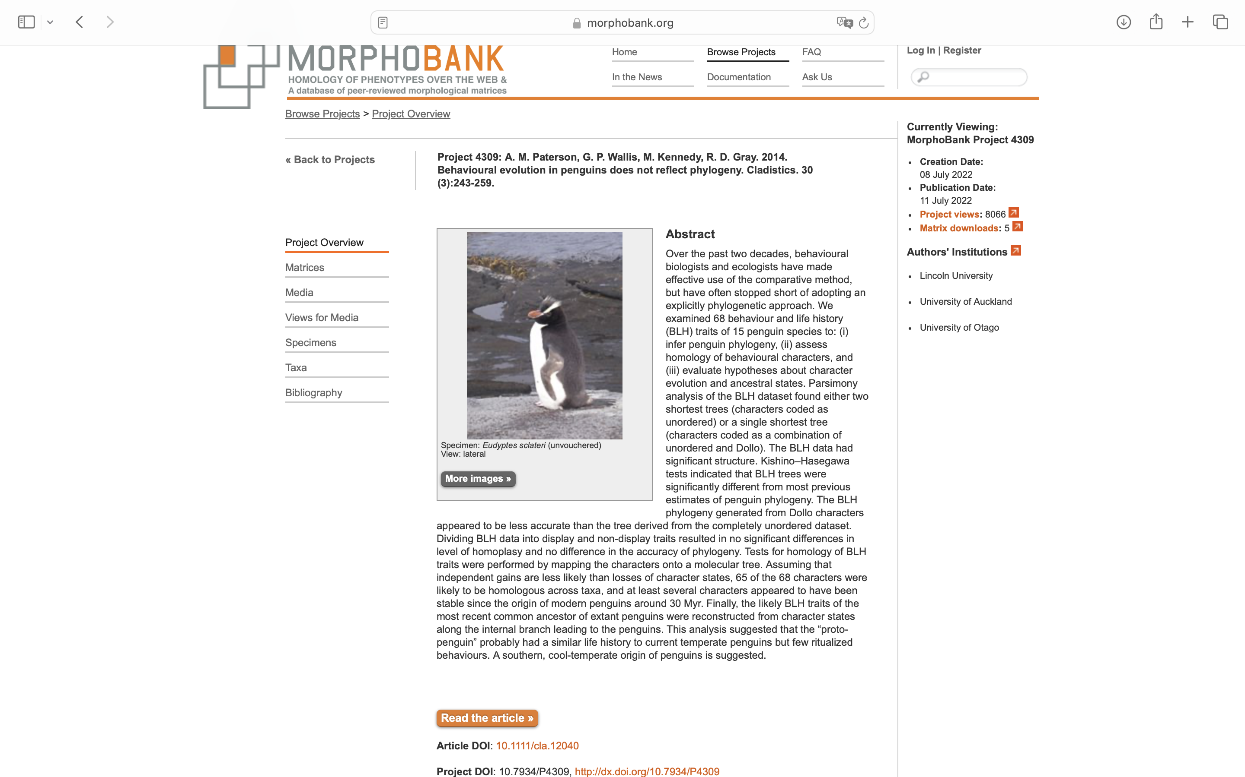
Charlabels | Character Pattern | Unseen States
[1] 'Chicks fed each day during first weeks of nestling stage' | Neomorphic | NO
[2] 'Predominant food (percentage numbers and mass) in diet' | Transformational | YES
[3] 'Main method of food capture' | Transformational | YES
[4] 'Time of return from foraging' | Transformational | NO
[5] 'Land directly at nest-site' | Neomorphic | NO
[6] 'No vocalizations at sea while foraging' | Neomorphic | NO
[7] 'Average weight of chick''s meal/average weight of adult' | Transformational | YES
[8] 'Adults forage inshore during breeding season' | Neomorphic | NO
[9] 'Time at sea foraging' | Transformational | NO
[10] 'Method of regurgitation' | Transformational | NO
[11] 'Foraging' | Transformational | YES
[12] 'Territory defended' | Transformational | YES
[13] 'Pre-dawn chorus' | Neomorphic | NO
[14] 'Gaping and open yell' | Neomorphic | NO
[15] 'Shoulder hunching' | Transformational | YES
[16] 'Trumpeting' | Transformational | YES
[17] 'Bills interlocked' | Neomorphic | NO
[18] 'Stare' | Transformational | YES
[19] 'Charge' | Neomorphic | NO
[20] 'Bite nape fight' | Neomorphic | NO
[21] 'Hunched submissive' | Transformational | YES
[22] 'Face away' | Transformational | YES
[23] 'Shivering' | Neomorphic | NO
[24] 'Squeal' | Neomorphic | NO
[25] 'Bill-hiding' | Neomorphic | NO
[26] 'Nest/burrow site chosen by' | Transformational | NO
[27] 'Average length of incubating shifts, male:female' | Transformational | YES
[28] 'Males present during laying' | Neomorphic | NO
[29] 'Method by which nest/burrow constructed' | Transformational | YES
[30] 'Ecstatic' | Transformational | YES
[31] 'Allopreening' | Neomorphic | NO
[32] 'Mutual bowing' | Neomorphic | NO
[33] 'Beating wings' | Neomorphic | NO
[34] 'Treading' | Neomorphic | NO
[35] 'Head shake and whine' | Transformational | YES
[36] 'Copulation outside nest/burrow' | Neomorphic | NO
[37] 'Head circling' | Neomorphic | NO
[38] 'Ear rubbing' | Neomorphic | NO
[39] 'Stone carrying' | Neomorphic | NO
[40] 'Quivering' | Neomorphic | NO
[41] 'Most adults remain near breeding site during year' | Neomorphic | NO
[42] 'Type of migration used by species during life cycle' | Transformational | YES
[43] 'Nester or burrower (nesting in burrows)' | Transformational | NO
[44] 'Predominant burrow/nest-site terrain' | Transformational | YES
[45] 'Vegetation present at nest/burrow site' | Transformational | YES
[46] 'Pair-bond duration' | Transformational | YES
[47] 'Sex ratio in adult life' | Transformational | NO
[48] 'Chicks sometimes abandoned to die by parents' | Neomorphic | NO
[49] 'Nest-site fidelity' | Neomorphic | NO
[50] 'Clutch size' | Transformational | YES
[51] 'Replacement laying of eggs in same season as failure of first nest' | Neomorphic | NO
[52] 'Sexual differences in voice' | Neomorphic | NO
[53] 'Nestling state of development' | Transformational | YES
[54] 'Nestling behavior' | Transformational | YES
[55] 'Average fledging weight/average adult weight' | Transformational | YES
[56] 'Moult halts foraging' | Neomorphic | NO
[57] 'General foraging habitat' | Transformational | YES
[58] 'Adults leave young before fledging' | Neomorphic | NO
[59] 'Season when breeding commences' | Transformational | NO
[60] 'Month of main moult' | Transformational | NO
[61] 'Season of nest construction' | Transformational | NO
[62] 'Ratio of age first breeding/first return to breeding colonies' | Transformational | YES
[63] 'Ratio of nest preparation period/incubation length' | Transformational | YES
[64] 'Ratio of nestling period/incubation length' | Transformational | YES
[65] 'Laying interval between eggs' | Transformational | NO
[66] 'Age of creching' | Transformational | NO
[67] 'Length of premoult forage' | Transformational | YES
[68] 'Chicks fledged per pair' | Transformational | YES

